Setpoints
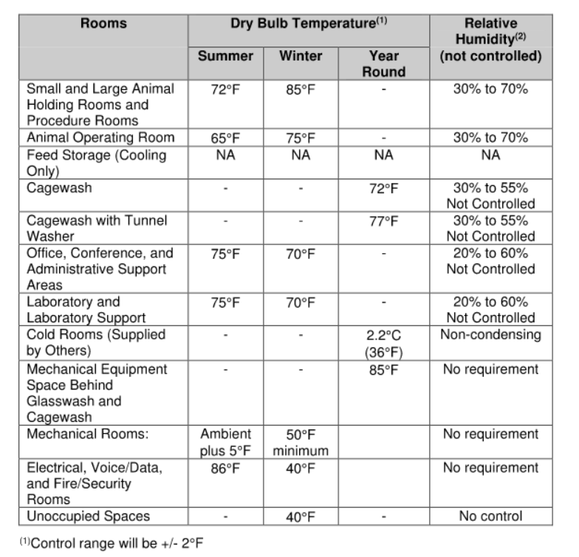
Imported from Master Room List |  | Dry Bulb Temperature |  |  |  |  | Relative Humitdity (Not Controlled)
Row | SpaceType | Cooling | Cooling Setback | Heating | Heating Setback | Year Round
1 |  | 75 °F |  | 70 °F
2
3
4
5
6
7
8
9
10
11
12
13
14
15
16
17
18
19
20
21
22
23
24
25
26
27
28
29
30
31
32
33
34
35
36
37
38
39
40
41
42
43
44
45
46
47
48
49
50
51
52
53
54
55
56
57
58
59
60
61
62
63
64
65
66
67
68
69
70
71
72
73
74
75
76
77
78
79
80
81
82
83
84
85
86
87
88
89
90
91
92
93
94
95
96
97
98
99
100
101
102
103
104
105
106
107
108
109
110
111
112
113
114
115
116
117
118
119
120
121
122
123
124
125
126
127
128
129
130
131
132
133
134
135
136
137
138
139
140
141
142
143
144
145
146
147
148
149
150
151
152
153
154
155
156
157
158
159
160
161
162
163
164
165
166
167
168
169
170
171
172
173
174
175
176
177
178
179
180
181
182
183
184
185
186
187
188
189
190
191
192
193
194
195
196
197
198
199
200
201
202
203
204
205
206
207
208
209
210
211
212
213
214
215
216
217
218
219
220
221
222
223
224
225
226
227
228
229
230
231
232
233
234
235
236
237
238
239
240
241
242
243
244
245
246
247
248
249
250
251
252
253
254
255
256
257
258
259
260
261
262
263
264
265
266
267
268
269
270
271
272
273
274
275
276
277
278
279
280
281
282
283
284
285
286
287
288
289
290
291
292
293
294
295
296
297

OCC_Airflow
Instructions:
1. Complete the information and instructions from the 'Master Room List' tab.
2. Complete information in the table below in the green columns. DO NOT ENTER INFORMATION IN GRAY COLUMNS. Gray columns are autopopulated.
Note: Many of the areas with information to input require the use of drop down menus.

 |  | UNDER CONSTRUCTION. REQUIRES INPUT FOR ASHRAE AIRFLOW VALUES

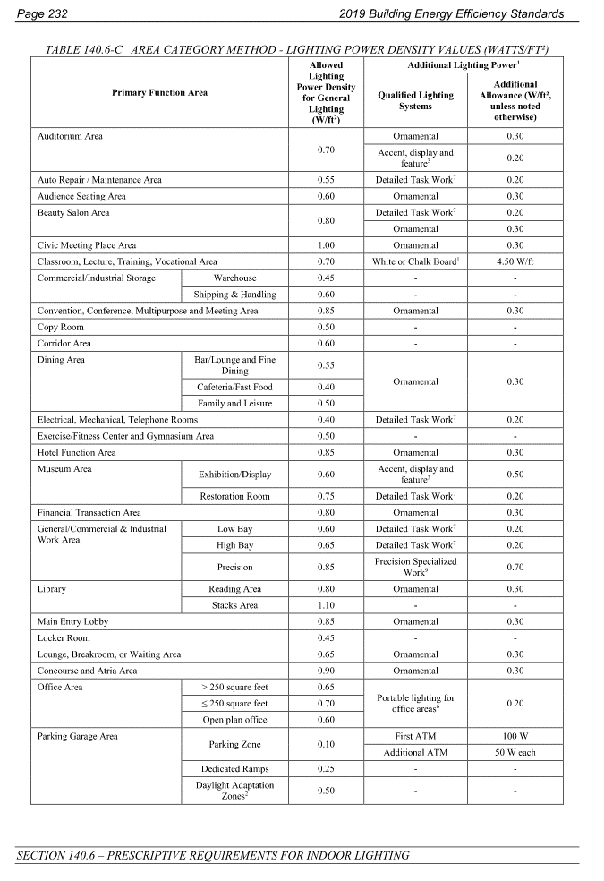
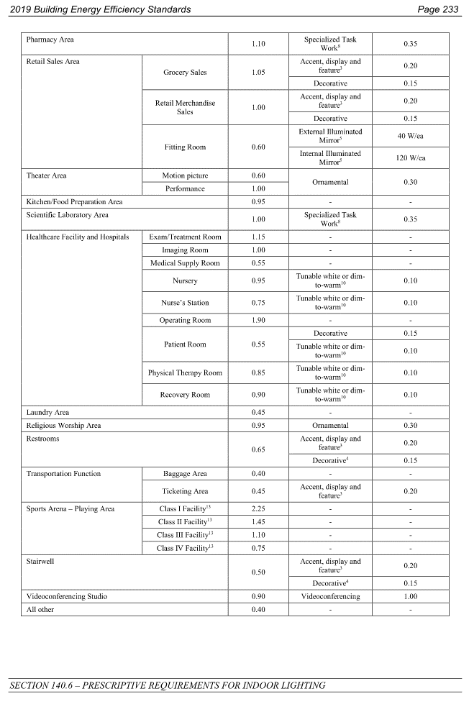
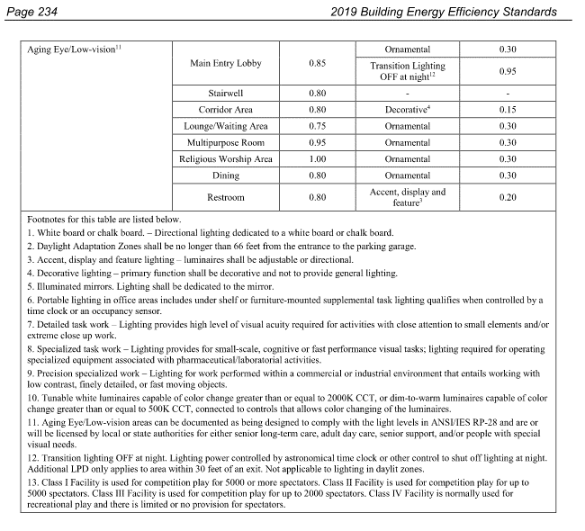
Occupancy and Airflow Assumptions
Imported from Master Room List |  |  | Title-24 2019 |  |  |  |  |  |  | ASHRAE 90.1-2007 |  |  |  |  |  | ASHRAE 90.1-2010 |  |  |  |  |  | ASHRAE 90.1-2013 |  |  |  |  |  | ASHRAE 90.1-2016 |  |  |  |  |  | ASHRAE 90.1-2019 |  |  |  |  |  | Basis of Design
Row | Space Type | Area (sqft) | Primary Function Area | T24 Area Outdoor Air Rate [CFM/SF] | T24 Min Air Rate for DCV [CFM/SF] | T24 Min Air for People [CFM/Person] | Occupant Density [People/1000SF] | Occupants [# of People] | T24 DCV Required? | ASHRAE 2007 Space Type | ASHRAE 2007 Min Airflow per Person [CFM/Person] | ASHRAE 2007 Min Airflow Per Area [CFM/SF] | ASHRAE 2007 Occupant Density [People/1000SF] | ASHRAE 2007 Occupants [# of People] | ASHRAE 2007 DCV Required? | ASHRAE 2010 Space Type | ASHRAE 2010 Min Airflow per Person [CFM/Person] | ASHRAE 2010 Min Airflow Per Area [CFM/SF] | ASHRAE 2010 Occupant Density [People/1000SF] | ASHRAE 2010 Occupants [# of People] | ASHRAE 2010 DCV Required? | ASHRAE 2013 Space Type | ASHRAE 2013 Min Airflow per Person [CFM/Person] | ASHRAE 2013 Min Airflow Per Area [CFM/SF] | ASHRAE 2013 Occupant Density [People/1000SF] | ASHRAE 2013 Occupants [# of People] | ASHRAE 2013 DCV Required? | ASHRAE 2016 Space Type | ASHRAE 2016 Min Airflow per Person [CFM/Person] | ASHRAE 2016 Min Airflow Per Area [CFM/SF] | ASHRAE 2016 Occupant Density [People/1000SF] | ASHRAE 2016 Occupants [# of People] | ASHRAE 2016 DCV Required? | ASHRAE 2019 Space Type | ASHRAE 2019 Min Airflow per Person [CFM/Person] | ASHRAE 2019 Min Airflow Per Area [CFM/SF] | ASHRAE 2019 Occupant Density [People/1000SF] | ASHRAE 2019 Occupants [# of People] | ASHRAE 2019 DCV Required? | Design Min Airflow [CFM/sqft] | Design Min Total ACH | Design Min OA ACH | Design Occupant Density [SF/Person] | Design Occupant Density [People/1000SF] | Design DCV Required? | Notes
1 |  | - | Conference/meeting |  |  |  | 50 |  | YES | Conference/meeting | 5 | 0.06 | 50 |  | YES | Conference/meeting | 5 | 0.06 | 50 |  | YES | Conference/meeting | 5 | 0.06 | 50 |  | YES | Conference/meeting | 5 | 0.06 | 50 |  | YES | Conference/meeting | 5 | 0.06 | 50 |  | YES | - | 4 | 2 | 20.0 | 50.0 | YES | Group therapy
2 |  | - | Corridors |  |  |  | 0 |  | NO | Corridors | 0 | 0.06 | 0 |  | NO | Corridors | 0 | 0.06 | 0 |  | NO | Corridors | 0 | 0.06 | 0 |  | NO | Corridors | 0 | 0.06 | 0 |  | NO | Corridors | 0 | 0.06 | 0 |  | NO | - | 4 | 2 | 1000.0 | 1.0 | NO
3 |  | - | - |  |  |  |  |  |  |  |  |  |  |  |  |  |  |  |  |  |  |  |  |  |  |  |  |  |  |  |  |  |  |  |  |  |  |  |  | 0.6 | - | - | - | -
4 |  | - | Office space |  |  |  | 5 |  | NO | Office space | 5 | 0.06 | 5 |  | NO | Office space | 5 | 0.06 | 5 |  | NO | Office space | 5 | 0.06 | 5 |  | NO | Office space | 5 | 0.06 | 5 |  | NO | Office space | 5 | 0.06 | 5 |  | NO | - | 6 | 2 | 100.0 | 10.0 | NO
5 |  | - | Office space |  |  |  | 25 |  | NO | Science laboratories | 10 | 0.18 | 25 |  | NO | Science laboratories | 10 | 0.18 | 25 |  | NO | Science laboratories | 10 | 0.18 | 25 |  | NO | Science laboratories | 10 | 0.18 | 25 |  | NO | Science laboratories | 10 | 0.18 | 25 |  | NO | - | 6 | 2 | 100.0 | 10.0 | NO | Same as exam
6 |  | - | Office space |  |  |  | 25 |  | NO | Science laboratories | 10 | 0.18 | 25 |  | NO | Science laboratories | 10 | 0.18 | 25 |  | NO | Science laboratories | 10 | 0.18 | 25 |  | NO | Science laboratories | 10 | 0.18 | 25 |  | NO | Science laboratories | 10 | 0.18 | 25 |  | NO | - | 6 | 2 | 100.0 | 10.0 | NO | Same as exam
7 |  | - | Main entry lobbies |  |  |  | 150 |  | YES | Lobbies | 5 | 0.06 | 150 |  | YES | Lobbies | 5 | 0.06 | 150 |  | YES | Lobbies | 5 | 0.06 | 150 |  | YES | Lobbies | 5 | 0.06 | 150 |  | YES | Lobbies | 5 | 0.06 | 150 |  | YES | - | 4 | 2 | 35.0 | 28.6 | NO | same as waiting
8 |  | - | Break rooms |  |  |  | 50 |  | YES | Break rooms (Office) | 5 | 0.12 | 50 |  | YES | Break rooms (Office) | 5 | 0.12 | 50 |  | YES | Break rooms (Office) | 5 | 0.12 | 50 |  | YES | Break rooms (Office) | 5 | 0.12 | 50 |  | YES | Break rooms (Office) | 5 | 0.12 | 50 |  | YES | - | 4 | 2 | 40.0 | 25.0 | NO
9 |  | - | Office space |  |  |  | 5 |  | NO | Office space | 5 | 0.06 | 5 |  | NO | Office space | 5 | 0.06 | 5 |  | NO | Office space | 5 | 0.06 | 5 |  | NO | Office space | 5 | 0.06 | 5 |  | NO | Office space | 5 | 0.06 | 5 |  | NO | - | 4 | 2 | 200.0 | 5.0 | NO
10 |  | - | Office space |  |  |  | 5 |  | NO | Office space | 5 | 0.06 | 5 |  | NO | Office space | 5 | 0.06 | 5 |  | NO | Office space | 5 | 0.06 | 5 |  | NO | Office space | 5 | 0.06 | 5 |  | NO | Office space | 5 | 0.06 | 5 |  | NO | - | 4 | 2 | 100.0 | 10.0 | NO
11 |  | - | - |  |  |  |  |  |  |  |  |  |  |  |  |  |  |  |  |  |  |  |  |  |  |  |  |  |  |  |  |  |  |  |  |  |  |  |  | - | 10 | - | 250.0 | 4.0 | NO
12 |  | - | Corridors |  |  |  | 0 |  | NO | Corridors | 0 | 0.06 | 0 |  | NO | Corridors | 0 | 0.06 | 0 |  | NO | Corridors | 0 | 0.06 | 0 |  | NO | Corridors | 0 | 0.06 | 0 |  | NO | Corridors | 0 | 0.06 | 0 |  | NO | - | - | - | - | -
13 |  | - | - |  |  |  |  |  |  |  |  |  |  |  |  |  |  |  |  |  |  |  |  |  |  |  |  |  |  |  |  |  |  |  |  |  |  |  |  | - | 4 | - | - | -
14 |  | - | - |  |  |  |  |  |  |  |  |  |  |  |  |  |  |  |  |  |  |  |  |  |  |  |  |  |  |  |  |  |  |  |  |  |  |  |  | - | - | - | - | -
15 |  | - | - |  |  |  |  |  |  |  |  |  |  |  |  |  |  |  |  |  |  |  |  |  |  |  |  |  |  |  |  |  |  |  |  |  |  |  |  | - | 6 | - | 200.0 | 5.0 | NO
16 |  | - | - |  |  |  |  |  |  |  |  |  |  |  |  |  |  |  |  |  |  |  |  |  |  |  |  |  |  |  |  |  |  |  |  |  |  |  |  | - | 4 | 2 | 50.0 | 20.0 | NO
17 |  | - | - |  |  |  |  |  |  |  |  |  |  |  |  |  |  |  |  |  |  |  |  |  |  |  |  |  |  |  |  |  |  |  |  |  |  |  |  | 0.6 | - | - | - | -
18 |  | - | - |  |  |  |  |  |  |  |  |  |  |  |  |  |  |  |  |  |  |  |  |  |  |  |  |  |  |  |  |  |  |  |  |  |  |  |  | - | 6 | 2 | - | -
19 |  | - | - |  |  |  |  |  |  |  |  |  |  |  |  |  |  |  |  |  |  |  |  |  |  |  |  |  |  |  |  |  |  |  |  |  |  |  |  | - | 6 | 2 | 200.0 | 5.0 | NO
20 |  | - | - |  |  |  |  |  |  |  |  |  |  |  |  |  |  |  |  |  |  |  |  |  |  |  |  |  |  |  |  |  |  |  |  |  |  |  |  | - | 4 | 2 | 35.0 | 28.6 | NO
21 |  | - |  |  |  |  |  |  |  |  |  |  |  |  |  |  |  |  |  |  |  |  |  |  |  |  |  |  |  |  |  |  |  |  |  |  |  |  |  | - |  |  |  | -
22 |  | - |  |  |  |  |  |  |  |  |  |  |  |  |  |  |  |  |  |  |  |  |  |  |  |  |  |  |  |  |  |  |  |  |  |  |  |  |  | - |  |  |  | -
23 |  | - |  |  |  |  |  |  |  |  |  |  |  |  |  |  |  |  |  |  |  |  |  |  |  |  |  |  |  |  |  |  |  |  |  |  |  |  |  | - |  |  |  | -
24 |  | - |  |  |  |  |  |  |  |  |  |  |  |  |  |  |  |  |  |  |  |  |  |  |  |  |  |  |  |  |  |  |  |  |  |  |  |  |  | - |  |  |  | -
25 |  | - |  |  |  |  |  |  |  |  |  |  |  |  |  |  |  |  |  |  |  |  |  |  |  |  |  |  |  |  |  |  |  |  |  |  |  |  |  | - |  |  |  | -
26 |  | - |  |  |  |  |  |  |  |  |  |  |  |  |  |  |  |  |  |  |  |  |  |  |  |  |  |  |  |  |  |  |  |  |  |  |  |  |  | - |  |  |  | -
27 |  | - |  |  |  |  |  |  |  |  |  |  |  |  |  |  |  |  |  |  |  |  |  |  |  |  |  |  |  |  |  |  |  |  |  |  |  |  |  | - |  |  |  | -
28 |  | - |  |  |  |  |  |  |  |  |  |  |  |  |  |  |  |  |  |  |  |  |  |  |  |  |  |  |  |  |  |  |  |  |  |  |  |  |  | - |  |  |  | -
29 |  | - |  |  |  |  |  |  |  |  |  |  |  |  |  |  |  |  |  |  |  |  |  |  |  |  |  |  |  |  |  |  |  |  |  |  |  |  |  | - |  |  |  | -
30 |  | - |  |  |  |  |  |  |  |  |  |  |  |  |  |  |  |  |  |  |  |  |  |  |  |  |  |  |  |  |  |  |  |  |  |  |  |  |  | - |  |  |  | -
31 |  | - |  |  |  |  |  |  |  |  |  |  |  |  |  |  |  |  |  |  |  |  |  |  |  |  |  |  |  |  |  |  |  |  |  |  |  |  |  | - |  |  |  | -
32 |  | - |  |  |  |  |  |  |  |  |  |  |  |  |  |  |  |  |  |  |  |  |  |  |  |  |  |  |  |  |  |  |  |  |  |  |  |  |  | - |  |  |  | -
33 |  | - |  |  |  |  |  |  |  |  |  |  |  |  |  |  |  |  |  |  |  |  |  |  |  |  |  |  |  |  |  |  |  |  |  |  |  |  |  | - |  |  |  | -
34 |  | - |  |  |  |  |  |  |  |  |  |  |  |  |  |  |  |  |  |  |  |  |  |  |  |  |  |  |  |  |  |  |  |  |  |  |  |  |  | - |  |  |  | -
35 |  | - |  |  |  |  |  |  |  |  |  |  |  |  |  |  |  |  |  |  |  |  |  |  |  |  |  |  |  |  |  |  |  |  |  |  |  |  |  | - |  |  |  | -
36 |  | - |  |  |  |  |  |  |  |  |  |  |  |  |  |  |  |  |  |  |  |  |  |  |  |  |  |  |  |  |  |  |  |  |  |  |  |  |  | - |  |  |  | -
37 |  | - |  |  |  |  |  |  |  |  |  |  |  |  |  |  |  |  |  |  |  |  |  |  |  |  |  |  |  |  |  |  |  |  |  |  |  |  |  | - |  |  |  | -
38 |  | - |  |  |  |  |  |  |  |  |  |  |  |  |  |  |  |  |  |  |  |  |  |  |  |  |  |  |  |  |  |  |  |  |  |  |  |  |  | - |  |  |  | -
39 |  | - |  |  |  |  |  |  |  |  |  |  |  |  |  |  |  |  |  |  |  |  |  |  |  |  |  |  |  |  |  |  |  |  |  |  |  |  |  | - |  |  |  | -
40 |  | - |  |  |  |  |  |  |  |  |  |  |  |  |  |  |  |  |  |  |  |  |  |  |  |  |  |  |  |  |  |  |  |  |  |  |  |  |  | - |  |  |  | -
41 |  | - |  |  |  |  |  |  |  |  |  |  |  |  |  |  |  |  |  |  |  |  |  |  |  |  |  |  |  |  |  |  |  |  |  |  |  |  |  | - |  |  |  | -
42 |  | - |  |  |  |  |  |  |  |  |  |  |  |  |  |  |  |  |  |  |  |  |  |  |  |  |  |  |  |  |  |  |  |  |  |  |  |  |  | - |  |  |  | -
43 |  | - |  |  |  |  |  |  |  |  |  |  |  |  |  |  |  |  |  |  |  |  |  |  |  |  |  |  |  |  |  |  |  |  |  |  |  |  |  | - |  |  |  | -
44 |  | - |  |  |  |  |  |  |  |  |  |  |  |  |  |  |  |  |  |  |  |  |  |  |  |  |  |  |  |  |  |  |  |  |  |  |  |  |  | - |  |  |  | -
45 |  | - |  |  |  |  |  |  |  |  |  |  |  |  |  |  |  |  |  |  |  |  |  |  |  |  |  |  |  |  |  |  |  |  |  |  |  |  |  | - |  |  |  | -
46 |  | - |  |  |  |  |  |  |  |  |  |  |  |  |  |  |  |  |  |  |  |  |  |  |  |  |  |  |  |  |  |  |  |  |  |  |  |  |  | - |  |  |  | -
47 |  | - |  |  |  |  |  |  |  |  |  |  |  |  |  |  |  |  |  |  |  |  |  |  |  |  |  |  |  |  |  |  |  |  |  |  |  |  |  | - |  |  |  | -
48 |  | - |  |  |  |  |  |  |  |  |  |  |  |  |  |  |  |  |  |  |  |  |  |  |  |  |  |  |  |  |  |  |  |  |  |  |  |  |  | - |  |  |  | -
49 |  | - |  |  |  |  |  |  |  |  |  |  |  |  |  |  |  |  |  |  |  |  |  |  |  |  |  |  |  |  |  |  |  |  |  |  |  |  |  | - |  |  |  | -
50 |  | - |  |  |  |  |  |  |  |  |  |  |  |  |  |  |  |  |  |  |  |  |  |  |  |  |  |  |  |  |  |  |  |  |  |  |  |  |  | - |  |  |  | -

 | Total Area: | 0

ECM Reports
 |  | Total Energy Use |  |  |  | Total Energy Cost |  |  | Savings |  |  | Include End-Use In Comparison? | No | No | Yes | No | No | Yes | No | No | Yes | No | No | Yes | No | No | Yes | No | No | Yes | No | No | Yes | No | No | Yes | No | No | Yes | No | No | Yes | No | No | Yes | No | No | Yes | No | No | Yes | No | No | Yes | No | No | Yes | No | No | Yes | No | No | Yes | No | No | Yes | No | No | Yes
Model Run | Name | Electricity [kBtu] | Gas [kBtu] | Total [kBtu] | EUI [kBtu/sf/year] | Electricity | Gas | Total | Energy [%] | Cost [%] | Model Run | Name | Internal Lighitng - Elec | Internal Lighting - Gas | Internal Lighting - Total | External Lighting - Elec | External Lighting - Gas | External Lighting - Total | Space Heating - Elec | Space Heating - Gas | Space Heating - Total | Space Cooling - Elec | Space Cooling - Gas | Space Cooling - Total | Pumps - Elec | Pumps - Gas | Pumps - Total | Fans Process - Elec | Fans Process - Gas | Fans Process - Total | Fans Interior - Elec | Fans Interior - Gas | Fans Interior - Total | Fans Parking Garage - Elec | Fans Parking Garage - Gas | Fans Parking Garage - Total | Service Water Heating - Elec | Service Water Heating - Gas | Service Water Heating - Total | Receptacle Equipment - Elec | Receptacle Equipment - Gas | Receptacle Equipment - Total | Interior Lighting Process - Elec | Interior Lighting Process - Gas | Interior Lighting Process - Total | Refrigeration - Elec | Refrigeration - Gas | Refrigeration - Total | Data Centre Equipment - Elec | Data Centre Equipment - Gas | Data Centre Equipment - Total | Cooking - Elec | Cooking - Gas | Cooking - Total | Elevators/ Escalators - Elec | Elevators/ Escalators - Gas | Elevators/ Escalators - Total | Heat Rejection - Elec | Heat Rejection - Gas | Heat Rejection - Total | Combined Heat and Power - Elec | Combined Heat and Power - Gas | Combined Heat and Power - Total | Humidification - Elec | Humidification - Gas | Humidification - Total | Other Processes - Elec | Other Processes - Gas | Other Processes - Total
Baseline | 0 | 0 | 0 | 0 |  |  |  | $- | 0% | 0% | Baseline | 0 | - | - | - | - | - | - | - | - | - | - | - | - | - | - | - | - | - | - | - | - | - | - | - | - | - | - | - | - | - | - | - | - | - | - | - | - | - | - | - | - | - | - | - | - | - | - | - | - | - | - | - | - | - | - | - | - | -
ECM-1 | 0 | 0 | 0 | 0 |  |  |  | $- |  |  | ECM-1 | 0 | - | - | - | - | - | - | - | - | - | - | - | - | - | - | - | - | - | - | - | - | - | - | - | - | - | - | - | - | - | - | - | - | - | - | - | - | - | - | - | - | - | - | - | - | - | - | - | - | - | - | - | - | - | - | - | - | -
ECM-2 | 0 | 0 | 0 | 0 |  |  |  | $- |  |  | ECM-2 | 0 | - | - | - | - | - | - | - | - | - | - | - | - | - | - | - | - | - | - | - | - | - | - | - | - | - | - | - | - | - | - | - | - | - | - | - | - | - | - | - | - | - | - | - | - | - | - | - | - | - | - | - | - | - | - | - | - | -
ECM-3 | 0 | 0 | 0 | 0 |  |  |  | $- |  |  | ECM-3 | 0 | - | - | - | - | - | - | - | - | - | - | - | - | - | - | - | - | - | - | - | - | - | - | - | - | - | - | - | - | - | - | - | - | - | - | - | - | - | - | - | - | - | - | - | - | - | - | - | - | - | - | - | - | - | - | - | - | -
ECM-4 | 0 | 0 | 0 | 0 |  |  |  | $- |  |  | ECM-4 | 0 | - | - | - | - | - | - | - | - | - | - | - | - | - | - | - | - | - | - | - | - | - | - | - | - | - | - | - | - | - | - | - | - | - | - | - | - | - | - | - | - | - | - | - | - | - | - | - | - | - | - | - | - | - | - | - | - | -
ECM-5 | 0 | 0 | 0 | 0 |  |  |  | $- |  |  | ECM-5 | 0 | - | - | - | - | - | - | - | - | - | - | - | - | - | - | - | - | - | - | - | - | - | - | - | - | - | - | - | - | - | - | - | - | - | - | - | - | - | - | - | - | - | - | - | - | - | - | - | - | - | - | - | - | - | - | - | - | -
ECM-6 | 0 | 0 | 0 | 0 |  |  |  | $- |  |  | ECM-6 | 0 | - | - | - | - | - | - | - | - | - | - | - | - | - | - | - | - | - | - | - | - | - | - | - | - | - | - | - | - | - | - | - | - | - | - | - | - | - | - | - | - | - | - | - | - | - | - | - | - | - | - | - | - | - | - | - | - | -
ECM-7 | 0 | 0 | 0 | 0 |  |  |  | $- |  |  | ECM-7 | 0 | - | - | - | - | - | - | - | - | - | - | - | - | - | - | - | - | - | - | - | - | - | - | - | - | - | - | - | - | - | - | - | - | - | - | - | - | - | - | - | - | - | - | - | - | - | - | - | - | - | - | - | - | - | - | - | - | -
Proposed | Proposed Design | 0 | 0 | 0 |  |  |  | $- |  |  | Proposed | Proposed Design | - | - | - | - | - | - | - | - | - | - | - | - | - | - | - | - | - | - | - | - | - | - | - | - | - | - | - | - | - | - | - | - | - | - | - | - | - | - | - | - | - | - | - | - | - | - | - | - | - | - | - | - | - | - | - | - | -

 |  |  |  |  |  |  |  |  |  |  | Energy End Use EUI [kBTU/sqft/year]
 |  |  |  |  |  |  |  |  |  |  | Model Run | Name | Internal Lighting | External Lighting | Space Heating | Space Cooling | Pumps | Fans Process | Fans Interior | Fans Parking Garage | Service Water Heating | Receptacle Equipment | Interior Lighting Process | Refrigeration | Data Centre Equipment | Cooking | Elevators/ Escalators | Heat Rejection | Combined Heat and Power | Humidification | Other Processes | Total
 |  |  |  |  |  |  |  |  |  |  | Baseline | 0 | 0.0 | 0.0 | 0.0 | 0.0 | 0.0 | 0.0 | 0.0 | 0.0 | 0.0 | 0.0 | 0.0 | 0.0 | 0.0 | 0.0 | 0.0 | 0.0 | 0.0 | 0.0 | 0.0 | 0.0
 |  |  |  |  |  |  |  |  |  |  | ECM-1 | 0 | 0.0 | 0.0 | 0.0 | 0.0 | 0.0 | 0.0 | 0.0 | 0.0 | 0.0 | 0.0 | 0.0 | 0.0 | 0.0 | 0.0 | 0.0 | 0.0 | 0.0 | 0.0 | 0.0 | 0.0
 |  |  |  |  |  |  |  |  |  |  | ECM-2 | 0 | 0.0 | 0.0 | 0.0 | 0.0 | 0.0 | 0.0 | 0.0 | 0.0 | 0.0 | 0.0 | 0.0 | 0.0 | 0.0 | 0.0 | 0.0 | 0.0 | 0.0 | 0.0 | 0.0 | 0.0
 |  |  |  |  |  |  |  |  |  |  | ECM-3 | 0 | 0.0 | 0.0 | 0.0 | 0.0 | 0.0 | 0.0 | 0.0 | 0.0 | 0.0 | 0.0 | 0.0 | 0.0 | 0.0 | 0.0 | 0.0 | 0.0 | 0.0 | 0.0 | 0.0 | 0.0
 |  |  |  |  |  |  |  |  |  |  | ECM-4 | 0 | 0.0 | 0.0 | 0.0 | 0.0 | 0.0 | 0.0 | 0.0 | 0.0 | 0.0 | 0.0 | 0.0 | 0.0 | 0.0 | 0.0 | 0.0 | 0.0 | 0.0 | 0.0 | 0.0 | 0.0
 |  |  |  |  |  |  |  |  |  |  | ECM-5 | 0 | 0.0 | 0.0 | 0.0 | 0.0 | 0.0 | 0.0 | 0.0 | 0.0 | 0.0 | 0.0 | 0.0 | 0.0 | 0.0 | 0.0 | 0.0 | 0.0 | 0.0 | 0.0 | 0.0 | 0.0
 |  |  |  |  |  |  |  |  |  |  | ECM-6 | 0 | 0.0 | 0.0 | 0.0 | 0.0 | 0.0 | 0.0 | 0.0 | 0.0 | 0.0 | 0.0 | 0.0 | 0.0 | 0.0 | 0.0 | 0.0 | 0.0 | 0.0 | 0.0 | 0.0 | 0.0
 |  |  |  |  |  |  |  |  |  |  | ECM-7 | 0 | 0.0 | 0.0 | 0.0 | 0.0 | 0.0 | 0.0 | 0.0 | 0.0 | 0.0 | 0.0 | 0.0 | 0.0 | 0.0 | 0.0 | 0.0 | 0.0 | 0.0 | 0.0 | 0.0 | 0.0
 |  |  |  |  |  |  |  |  |  |  | Proposed | Proposed Design | 0.0 | 0.0 | 0.0 | 0.0 | 0.0 | 0.0 | 0.0 | 0.0 | 0.0 | 0.0 | 0.0 | 0.0 | 0.0 | 0.0 | 0.0 | 0.0 | 0.0 | 0.0 | 0.0 | 0.0

 |  |  |  |  |  |  |  |  |  |  | Energy End Use EUI [kBTU/sqft/year]
 |  |  |  |  |  |  |  |  |  |  | Model Run | Name | Internal Lighting | External Lighting | Space Heating | Space Cooling | Pumps | Fans Process | Fans Interior | Fans Parking Garage | Service Water Heating | Receptacle Equipment | Interior Lighting Process | Refrigeration | Data Centre Equipment | Cooking | Elevators/ Escalators | Heat Rejection | Combined Heat and Power | Humidification | Other Processes | Total
 |  |  |  |  |  |  |  |  |  |  | Baseline | 0 | #DIV/0! | #DIV/0! | #DIV/0! | #DIV/0! | #DIV/0! | #DIV/0! | #DIV/0! | #DIV/0! | #DIV/0! | #DIV/0! | #DIV/0! | #DIV/0! | #DIV/0! | #DIV/0! | #DIV/0! | #DIV/0! | #DIV/0! | #DIV/0! | #DIV/0! | #DIV/0!
 |  |  |  |  |  |  |  |  |  |  | ECM-1 | 0 | #DIV/0! | #DIV/0! | #DIV/0! | #DIV/0! | #DIV/0! | #DIV/0! | #DIV/0! | #DIV/0! | #DIV/0! | #DIV/0! | #DIV/0! | #DIV/0! | #DIV/0! | #DIV/0! | #DIV/0! | #DIV/0! | #DIV/0! | #DIV/0! | #DIV/0! | #DIV/0!
 |  |  |  |  |  |  |  |  |  |  | ECM-2 | 0 | #DIV/0! | #DIV/0! | #DIV/0! | #DIV/0! | #DIV/0! | #DIV/0! | #DIV/0! | #DIV/0! | #DIV/0! | #DIV/0! | #DIV/0! | #DIV/0! | #DIV/0! | #DIV/0! | #DIV/0! | #DIV/0! | #DIV/0! | #DIV/0! | #DIV/0! | #DIV/0!
 |  |  |  |  |  |  |  |  |  |  | ECM-3 | 0 | #DIV/0! | #DIV/0! | #DIV/0! | #DIV/0! | #DIV/0! | #DIV/0! | #DIV/0! | #DIV/0! | #DIV/0! | #DIV/0! | #DIV/0! | #DIV/0! | #DIV/0! | #DIV/0! | #DIV/0! | #DIV/0! | #DIV/0! | #DIV/0! | #DIV/0! | #DIV/0!
 |  |  |  |  |  |  |  |  |  |  | ECM-4 | 0 | #DIV/0! | #DIV/0! | #DIV/0! | #DIV/0! | #DIV/0! | #DIV/0! | #DIV/0! | #DIV/0! | #DIV/0! | #DIV/0! | #DIV/0! | #DIV/0! | #DIV/0! | #DIV/0! | #DIV/0! | #DIV/0! | #DIV/0! | #DIV/0! | #DIV/0! | #DIV/0!
 |  |  |  |  |  |  |  |  |  |  | ECM-5 | 0 | #DIV/0! | #DIV/0! | #DIV/0! | #DIV/0! | #DIV/0! | #DIV/0! | #DIV/0! | #DIV/0! | #DIV/0! | #DIV/0! | #DIV/0! | #DIV/0! | #DIV/0! | #DIV/0! | #DIV/0! | #DIV/0! | #DIV/0! | #DIV/0! | #DIV/0! | #DIV/0!
 |  |  |  |  |  |  |  |  |  |  | ECM-6 | 0 | #DIV/0! | #DIV/0! | #DIV/0! | #DIV/0! | #DIV/0! | #DIV/0! | #DIV/0! | #DIV/0! | #DIV/0! | #DIV/0! | #DIV/0! | #DIV/0! | #DIV/0! | #DIV/0! | #DIV/0! | #DIV/0! | #DIV/0! | #DIV/0! | #DIV/0! | #DIV/0!
 |  |  |  |  |  |  |  |  |  |  | ECM-7 | 0 | #DIV/0! | #DIV/0! | #DIV/0! | #DIV/0! | #DIV/0! | #DIV/0! | #DIV/0! | #DIV/0! | #DIV/0! | #DIV/0! | #DIV/0! | #DIV/0! | #DIV/0! | #DIV/0! | #DIV/0! | #DIV/0! | #DIV/0! | #DIV/0! | #DIV/0! | #DIV/0!
 |  |  |  |  |  |  |  |  |  |  | Proposed | Proposed Design | #DIV/0! | #DIV/0! | #DIV/0! | #DIV/0! | #DIV/0! | #DIV/0! | #DIV/0! | #DIV/0! | #DIV/0! | #DIV/0! | #DIV/0! | #DIV/0! | #DIV/0! | #DIV/0! | #DIV/0! | #DIV/0! | #DIV/0! | #DIV/0! | #DIV/0! | #DIV/0!

eQuest Schedules
Instructions:
Use the drop down highlighted in green to graphically view schedules from the 'eQuest Schedule Importer' sheet

Occupancy Schedule
Occupancy Schedule

 |  | Occupancy Schedule

 |  | 1 AM | 2 AM | 3 AM | 4 AM | 5 AM | 6 AM | 7 AM | 8 AM | 9 AM | 10 AM | 11 AM | 12 PM | 13 PM | 14 PM | 15 PM | 16 PM | 17 PM | 18 PM | 19 PM | 20 PM | 21 PM | 22 PM | 23 PM | 24 AM
 | Weekday | #N/A | #N/A | #N/A | #N/A | #N/A | #N/A | #N/A | #N/A | #N/A | #N/A | #N/A | #N/A | #N/A | #N/A | #N/A | #N/A | #N/A | #N/A | #N/A | #N/A | #N/A | #N/A | #N/A | #N/A
 | Weekend | #N/A | #N/A | #N/A | #N/A | #N/A | #N/A | #N/A | #N/A | #N/A | #N/A | #N/A | #N/A | #N/A | #N/A | #N/A | #N/A | #N/A | #N/A | #N/A | #N/A | #N/A | #N/A | #N/A | #N/A
 | Holiday Check | #N/A | #N/A | #N/A | #N/A | #N/A | #N/A | #N/A | #N/A | #N/A | #N/A | #N/A | #N/A | #N/A | #N/A | #N/A | #N/A | #N/A | #N/A | #N/A | #N/A | #N/A | #N/A | #N/A | #N/A

 | Weekday | #N/A | #N/A | #N/A | #N/A | #N/A | #N/A | #N/A | #N/A | #N/A | #N/A | #N/A | #N/A | #N/A | #N/A | #N/A | #N/A | #N/A | #N/A | #N/A | #N/A | #N/A | #N/A | #N/A | #N/A
 | Weekend | #N/A | #N/A | #N/A | #N/A | #N/A | #N/A | #N/A | #N/A | #N/A | #N/A | #N/A | #N/A | #N/A | #N/A | #N/A | #N/A | #N/A | #N/A | #N/A | #N/A | #N/A | #N/A | #N/A | #N/A
 | Holiday Check | #N/A | #N/A | #N/A | #N/A | #N/A | #N/A | #N/A | #N/A | #N/A | #N/A | #N/A | #N/A | #N/A | #N/A | #N/A | #N/A | #N/A | #N/A | #N/A | #N/A | #N/A | #N/A | #N/A | #N/A

 | Weekday | #N/A | #N/A | #N/A | #N/A | #N/A | #N/A | #N/A | #N/A | #N/A | #N/A | #N/A | #N/A | #N/A | #N/A | #N/A | #N/A | #N/A | #N/A | #N/A | #N/A | #N/A | #N/A | #N/A | #N/A
 | Weekend | #N/A | #N/A | #N/A | #N/A | #N/A | #N/A | #N/A | #N/A | #N/A | #N/A | #N/A | #N/A | #N/A | #N/A | #N/A | #N/A | #N/A | #N/A | #N/A | #N/A | #N/A | #N/A | #N/A | #N/A
 | Holiday Check | #N/A | #N/A | #N/A | #N/A | #N/A | #N/A | #N/A | #N/A | #N/A | #N/A | #N/A | #N/A | #N/A | #N/A | #N/A | #N/A | #N/A | #N/A | #N/A | #N/A | #N/A | #N/A | #N/A | #N/A

 | Weekday | #N/A | #N/A | #N/A | #N/A | #N/A | #N/A | #N/A | #N/A | #N/A | #N/A | #N/A | #N/A | #N/A | #N/A | #N/A | #N/A | #N/A | #N/A | #N/A | #N/A | #N/A | #N/A | #N/A | #N/A
 | Weekend | #N/A | #N/A | #N/A | #N/A | #N/A | #N/A | #N/A | #N/A | #N/A | #N/A | #N/A | #N/A | #N/A | #N/A | #N/A | #N/A | #N/A | #N/A | #N/A | #N/A | #N/A | #N/A | #N/A | #N/A
 | Holiday Check | #N/A | #N/A | #N/A | #N/A | #N/A | #N/A | #N/A | #N/A | #N/A | #N/A | #N/A | #N/A | #N/A | #N/A | #N/A | #N/A | #N/A | #N/A | #N/A | #N/A | #N/A | #N/A | #N/A | #N/A

 | Weekday | #N/A | #N/A | #N/A | #N/A | #N/A | #N/A | #N/A | #N/A | #N/A | #N/A | #N/A | #N/A | #N/A | #N/A | #N/A | #N/A | #N/A | #N/A | #N/A | #N/A | #N/A | #N/A | #N/A | #N/A
 | Weekend | #N/A | #N/A | #N/A | #N/A | #N/A | #N/A | #N/A | #N/A | #N/A | #N/A | #N/A | #N/A | #N/A | #N/A | #N/A | #N/A | #N/A | #N/A | #N/A | #N/A | #N/A | #N/A | #N/A | #N/A
 | Holiday Check | #N/A | #N/A | #N/A | #N/A | #N/A | #N/A | #N/A | #N/A | #N/A | #N/A | #N/A | #N/A | #N/A | #N/A | #N/A | #N/A | #N/A | #N/A | #N/A | #N/A | #N/A | #N/A | #N/A | #N/A

 | Weekday | #N/A | #N/A | #N/A | #N/A | #N/A | #N/A | #N/A | #N/A | #N/A | #N/A | #N/A | #N/A | #N/A | #N/A | #N/A | #N/A | #N/A | #N/A | #N/A | #N/A | #N/A | #N/A | #N/A | #N/A
 | Weekend | #N/A | #N/A | #N/A | #N/A | #N/A | #N/A | #N/A | #N/A | #N/A | #N/A | #N/A | #N/A | #N/A | #N/A | #N/A | #N/A | #N/A | #N/A | #N/A | #N/A | #N/A | #N/A | #N/A | #N/A
 | Holiday Check | #N/A | #N/A | #N/A | #N/A | #N/A | #N/A | #N/A | #N/A | #N/A | #N/A | #N/A | #N/A | #N/A | #N/A | #N/A | #N/A | #N/A | #N/A | #N/A | #N/A | #N/A | #N/A | #N/A | #N/A

